Sheet1
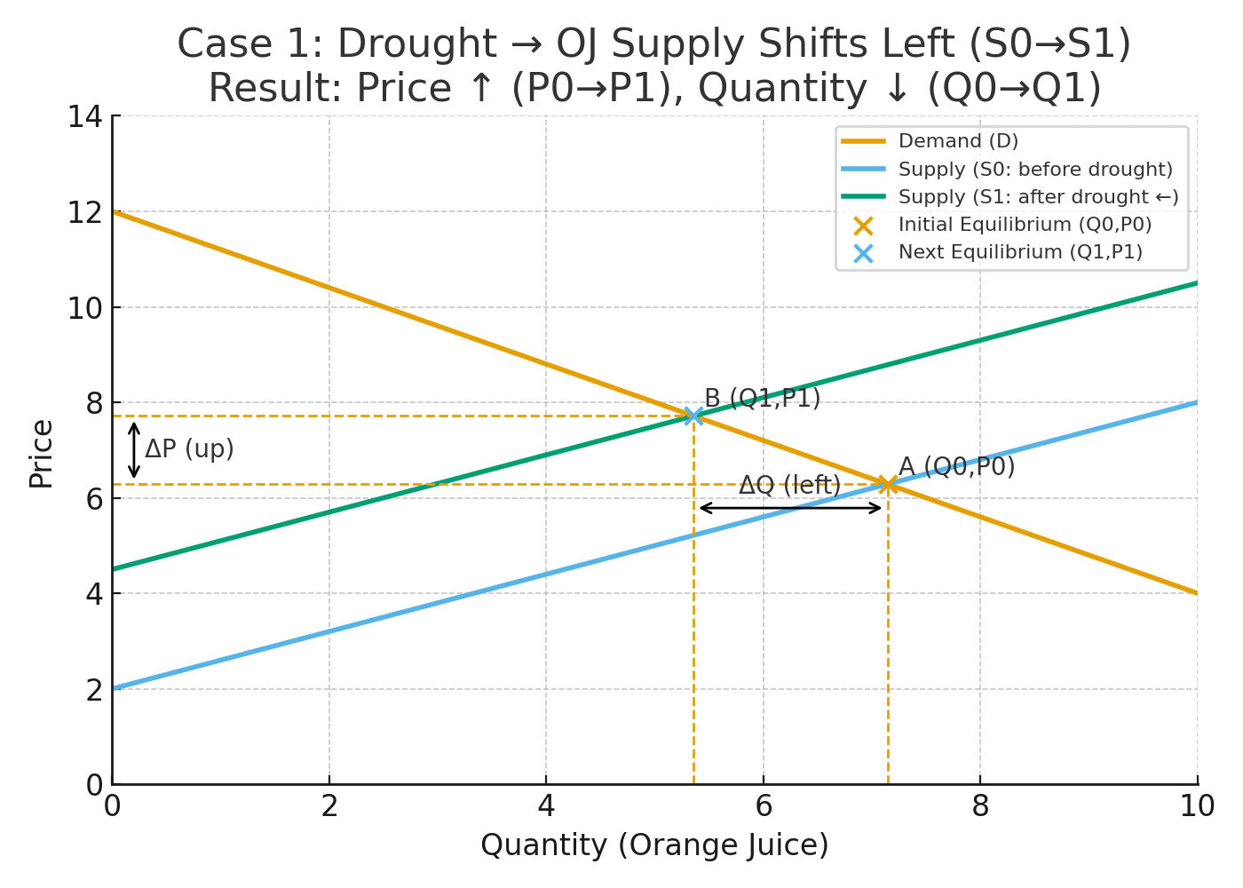
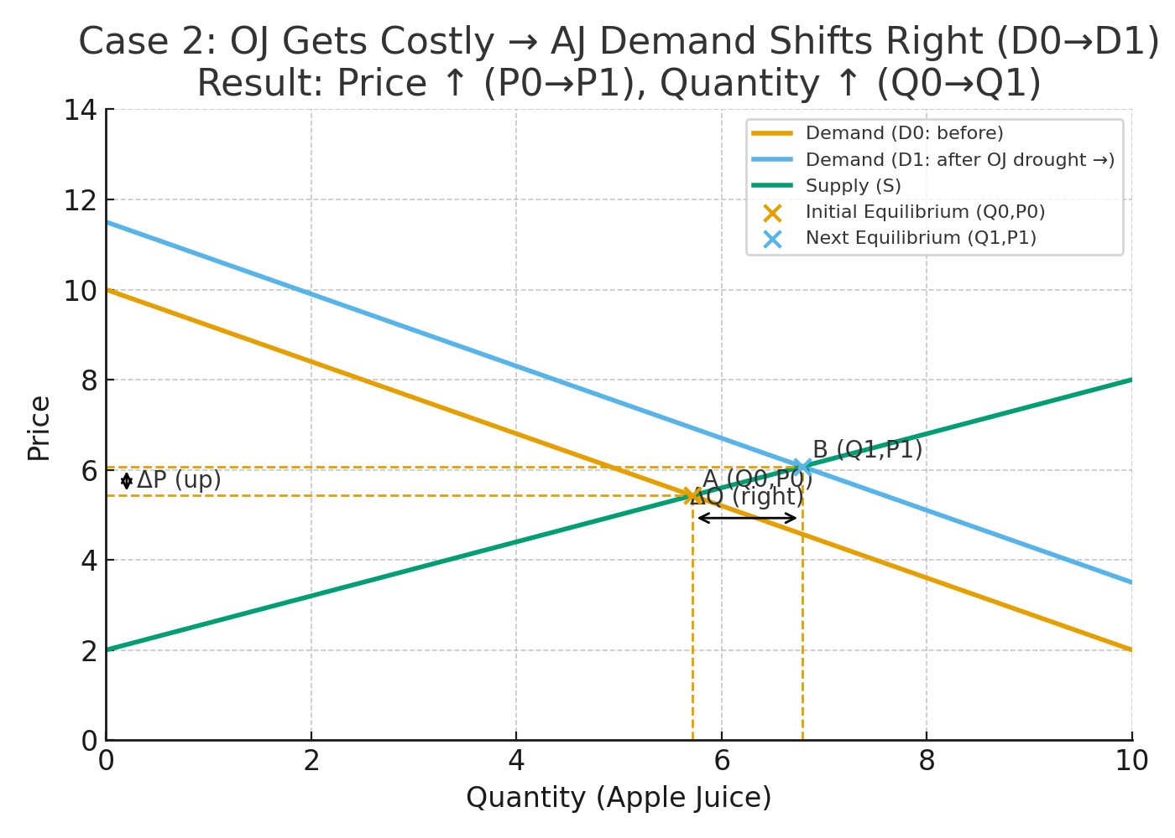
1. Suppose a drought causes an increase in orange prices.
a. What does this do to the equilibrium price and quantity of orange juice?
b. Suppose that apple juice is a substitute for orange juice. What impact does your answer in (a) have on the equilibrium price and quantity of apple juice?

 | Case 1a : Drought → Orange Juice (Supply Left Shift) Concept tested: Supply shock (left shift). Quiz logic: When supply decreases → Price rises (P↑), Quantity falls (Q↓). Elasticity question tie-in: Inelastic supply = bigger price rise; elastic supply = smaller price rise. Key takeaway: Drought reduces OJ supply → higher price, lower quantity. Case 1b: Apple Juice (Substitute for OJ) Concept tested: Cross-price relationship (substitutes). Quiz logic: Price of OJ ↑ → demand for apple juice ↑ → curve shifts right. Result: P↑, Q↑. Key takeaway: Substitute goods always move in the same direction as the price of the related item. | Case 1a : Drought → Orange Juice (Supply Left Shift) Concept tested: Supply shock (left shift). Quiz logic: When supply decreases → Price rises (P↑), Quantity falls (Q↓). Elasticity question tie-in: Inelastic supply = bigger price rise; elastic supply = smaller price rise. Key takeaway: Drought reduces OJ supply → higher price, lower quantity. Case 1b: Apple Juice (Substitute for OJ) Concept tested: Cross-price relationship (substitutes). Quiz logic: Price of OJ ↑ → demand for apple juice ↑ → curve shifts right. Result: P↑, Q↑. Key takeaway: Substitute goods always move in the same direction as the price of the related item.
 | S0 (or S₀) = supply before the drought S1 (or S₁) = supply after the drought (shift left/up) ΔP arrow should point up (price increases) ΔQ arrow points left (quantity falls) Two properly labeled graphs you can use: Orange juice (drought → supply left shift) Apple juice (substitute → demand right shift) 1a) Drought → Orange juice market The drought reduces orange harvests, so producers can make less juice at every price. That’s a left shift of the supply curve: S0 → S1. The new equilibrium moves up and left: price rises (P0→P1) and quantity falls (Q0→Q1). On the graph “OJ drought,” you’ll see: Point A (Q0, P0) = before drought Point B (Q1, P1) = after drought ΔP (up) and ΔQ (left) arrows show the changes clearly. Example: Before: $4 per bottle, 1.0M bottles/month. After drought: $6 per bottle, 0.7M bottles/month. Result: Price increases, quantity decreases (P↑, Q↓). 1b) Apple juice as a substitute When orange juice gets expensive, people switch to apple juice. That increases demand for apple juice at every price — a right shift of demand: D0 → D1. The new equilibrium moves up and right: price rises (P0→P1) and quantity rises (Q0→Q1). Example: Before: $3 per bottle, 100k bottles/month. After orange juice price spike: $4 per bottle, 150k bottles/month. Result for apple juice: Price increases, quantity increases (P↑, Q↑). Equilibrium explanation: Equilibrium is the point where demand equals supply — that’s why we call it the market equilibrium. It’s not just for supply or just for demand; it’s where both curves meet. At that intersection: Buyers want to buy exactly as much as sellers want to sell. There’s no surplus or shortage. The price at that point is called the equilibrium price (Pₑ). The quantity traded is the equilibrium quantity (Qₑ). So when we “calculate equilibrium,” we’re really finding the meeting point of the supply and demand curves — not analyzing one side alone. | S0 (or S₀) = supply before the drought S1 (or S₁) = supply after the drought (shift left/up) ΔP arrow should point up (price increases) ΔQ arrow points left (quantity falls) Two properly labeled graphs you can use: Orange juice (drought → supply left shift) Apple juice (substitute → demand right shift) 1a) Drought → Orange juice market The drought reduces orange harvests, so producers can make less juice at every price. That’s a left shift of the supply curve: S0 → S1. The new equilibrium moves up and left: price rises (P0→P1) and quantity falls (Q0→Q1). On the graph “OJ drought,” you’ll see: Point A (Q0, P0) = before drought Point B (Q1, P1) = after drought ΔP (up) and ΔQ (left) arrows show the changes clearly. Example: Before: $4 per bottle, 1.0M bottles/month. After drought: $6 per bottle, 0.7M bottles/month. Result: Price increases, quantity decreases (P↑, Q↓). 1b) Apple juice as a substitute When orange juice gets expensive, people switch to apple juice. That increases demand for apple juice at every price — a right shift of demand: D0 → D1. The new equilibrium moves up and right: price rises (P0→P1) and quantity rises (Q0→Q1). Example: Before: $3 per bottle, 100k bottles/month. After orange juice price spike: $4 per bottle, 150k bottles/month. Result for apple juice: Price increases, quantity increases (P↑, Q↑). Equilibrium explanation: Equilibrium is the point where demand equals supply — that’s why we call it the market equilibrium. It’s not just for supply or just for demand; it’s where both curves meet. At that intersection: Buyers want to buy exactly as much as sellers want to sell. There’s no surplus or shortage. The price at that point is called the equilibrium price (Pₑ). The quantity traded is the equilibrium quantity (Qₑ). So when we “calculate equilibrium,” we’re really finding the meeting point of the supply and demand curves — not analyzing one side alone.

Sheet2
2 How would a Canadian government’s ban of caffeine in certain types of soda (such as used to be imposed Mountain Dew) impact the equilibrium price and quantity of coffee? (Increase, decrease, uncertain)
3. How would the same ban influence the producer surplus of coffee producers? (Increase, Decrease, Uncertain)
4. How does an increase in the price of coffee impact the quantity supplied of coffee? (Increase, decrease, no effect)
5. How does an increase in the price of coffee impact the supply of coffee? (Increase, decrease, no effect)

Case 3: Caffeine Soda Ban → Coffee Demand Caffeinated soda and coffee are substitutes (both contain caffeine). If soda gets banned: People who still want caffeine switch to coffee → demand curve shifts right. Coffee price rises. Coffee shops sell more cups. 📈 Result: P ↑, Q ↑ 💬 Analogy: If your favorite energy drink disappears, Starbucks will be packed — and you’ll pay more for the same latte.

When the Canadian government bans caffeine in certain sodas, many consumers who prefer caffeinated drinks will shift toward coffee as a substitute. This causes the demand for coffee to increase at every price level, which shifts the demand curve to the right (D₁ → D₂).

As a result of this increased demand:

The equilibrium price of coffee increases (P₀ → P₁)

The equilibrium quantity of coffee increases (Q₀ → Q₁)

In other words, both price and quantity rise as the market adjusts to the new equilibrium.

Example:
Before the ban: Price = $3 per cup, Quantity = 1 million cups/day
After the ban: Price = $3.50 per cup, Quantity = 1.3 million cups/day

Therefore, a caffeine ban on sodas will cause the equilibrium price and quantity of coffee to increase, as more consumers substitute coffee for soda.

Movement along a curve vs Shift of the curve

Let’s unpack it step by step 👇

First — What does a “curve” mean?
The Supply Curve

Shows the relationship between price and quantity supplied, holding everything else constant.

It answers the question:

“At each price, how much are producers willing to sell?”

So, the supply curve is like a map of all possible price-quantity combinations for producers.

Case 4 — Movement along the supply curve

Here’s what happens:

The price of coffee changes (say from $3 → $4).

Producers react by supplying more coffee, moving up along the existing supply curve.

✅ What’s moving?

The point on the supply curve — not the curve itself.

📈 Think of it like sliding your finger up the same line.
You’re not drawing a new line; you’re just moving to a higher price and quantity combination on the same one.

💬 Example:
At $3 → 100 cups/day
At $4 → 140 cups/day
Same curve, new point — that’s a movement along the supply curve.

So yes, the quantity supplied increases, but the supply curve stays the same.

🚫 Case 5 — No change in supply (curve stays fixed)

Now, imagine the entire curve itself.
That curve only shifts if something other than price changes — for example:

Weather (bad harvest = supply ↓)

Technology (better machines = supply ↑)

Input costs (higher bean cost = supply ↓)

Taxes or subsidies

Those change the relationship between price and quantity, so the whole curve moves right or left.

2️⃣. Ban on caffeine in soda — effect on equilibrium price and quantity of coffee

When the Canadian government bans caffeine in sodas like Mountain Dew, many people who need caffeine switch to coffee.
Caffeinated soda and coffee are substitute goods — when one becomes unavailable, the demand for the other increases.

This means:

The demand for coffee increases → the demand curve shifts right (D₁ → D₂).

New equilibrium occurs where the new demand curve meets supply at a higher point.

✅ Result:

Equilibrium Price increases (P₀ → P₁)

Equilibrium Quantity increases (Q₀ → Q₁)

💬 Example:
Before ban → $3 per cup, 1 million cups/day
After ban → $3.50 per cup, 1.3 million cups/day

📊 Answer:

Price — Increases
Quantity — Increases

3️⃣. Effect on producer surplus of coffee producers

Producer surplus means the extra benefit that coffee producers (farmers, roasters, cafés, etc.) get when they sell at a market price higher than their minimum acceptable price (cost of production).

When demand increases (due to soda ban):

The market price of coffee rises.

Producers sell more cups (higher quantity).

The area under the price line and above the supply curve becomes larger.

✅ Result:

Producer surplus increases.

💬 Example:
Coffee farmers, roasters, and cafés all earn more revenue because they sell at a higher price and sell more volume.

4️⃣. When the price of coffee increases — effect on quantity supplied

This question is about movement along the supply curve, not a shift.

As the price of coffee increases, producers are willing to sell more coffee.

Farmers may harvest more beans or open new batches for sale.

But the supply curve itself doesn’t move — you just move upward along the same curve.

✅ Result:

Quantity supplied increases.

💬 Example:
If coffee price goes from $3 → $4, producers move along the same curve and sell more cups, because higher prices make selling more worthwhile.

5️⃣. When the price of coffee increases — effect on supply

This is a common confusion — here’s the logic clearly:

“Supply” means the entire curve — the relationship between price and quantity producers are willing to sell.

A change in price only causes movement along that existing curve.

To actually shift the whole supply curve, something external must change — like production technology, cost of raw beans, taxes, or weather.

So when the coffee price rises due to higher demand:

Producers move along the curve (quantity sold increases), but

The supply curve itself does not shift because production conditions haven’t changed.

✅ Result:

Supply remains unchanged (no effect).

💬 Example:
Price rising today doesn’t suddenly create more coffee farms or change technology — it only changes how much of existing coffee producers are willing to sell.

🧠 Summary Table
Case
Situation | Curve Affected | Result on P | Result on Q | Supply Curve Shift?
Soda caffeine ban | Demand → Right | ↑ | ↑ | No
Soda ban & producer surplus | Demand → Right | ↑ | ↑ | No
Price ↑ | Movement along supply | ↑ | ↑ (quantity supplied) | No
Price ↑ (check supply) | None (supply same) | – | – | No shift

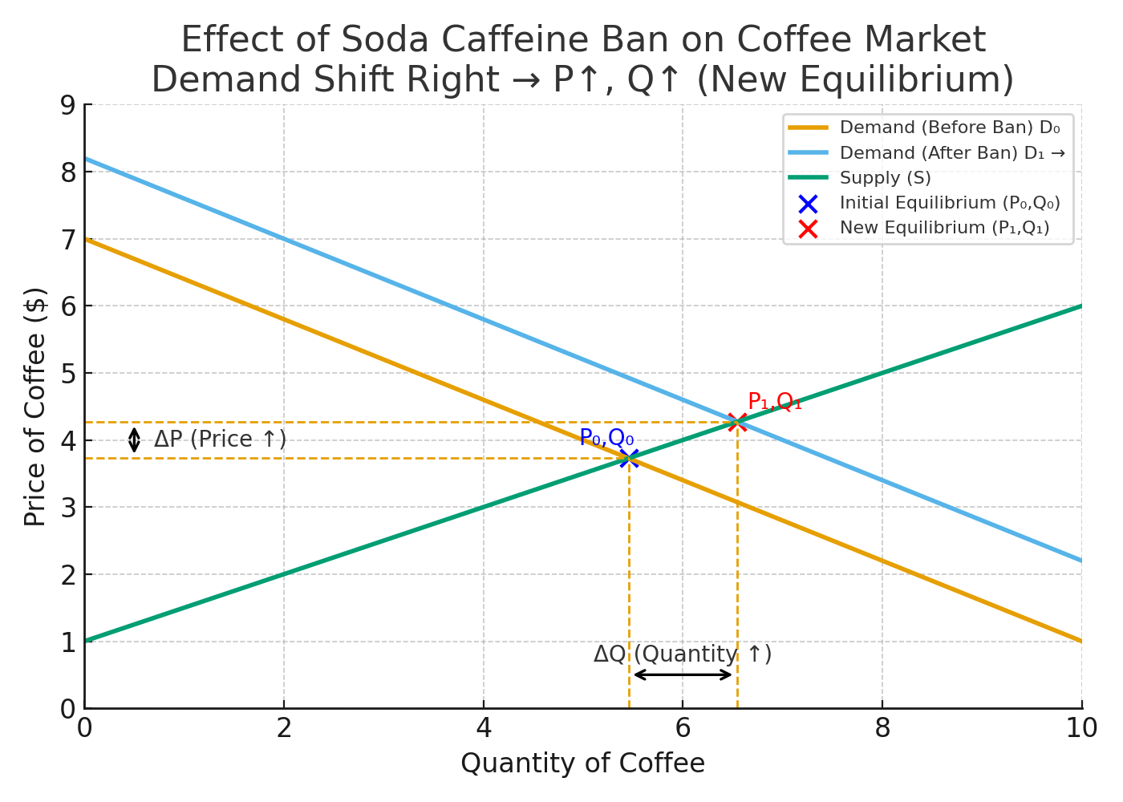
Now let’s visualize all four cases on a single labeled graph so you can see how each concept connects —
Case 2 & 3 → demand shift right,
Case 4 → movement along curve,
Case 5 → same curve unchanged.

Sheet3
1. Suppose the gasoline tax (paid by producers, i.e. included in the price) is increased by $.05/l. Which of the following statements are true, if demand slopes down and supply slopes up?
a. Prices will rise by $.05
b. Prices will rise by less than $.05
c. Prices will rise by more than $.05
d. Fixing the supply curve, prices will rise by a greater amount the more inelastic is demand.
e. None of the above
f. More than one of the above

 | Scenario:
 | The government adds a $0.05/litre tax on gasoline producers.
 | That means producers now need $0.05 more per litre to supply the same quantity.
 | → The supply curve shifts upward by $0.05.
 | → Demand curve slopes down (normal consumers).
 | → New equilibrium price and quantity are determined by both curves.
 | 6a. Prices will rise by $0.05 → ❌ False

 | Why:
 | When a tax is added, the price consumers pay doesn’t go up by the full amount of the tax because some of the burden is shared by producers.

 | Example:
 | If the tax = $0.05, consumers might pay $0.03 more, and producers receive $0.02 less (after paying tax).
 | So, price rises by less than $0.05.

 | Reason:
 | Because both demand and supply respond — demand slopes down (buyers buy less when price rises), supply slopes up (sellers sell less when net price falls).
 | So the adjustment is shared.

 | 6b. Prices will rise by less than $0.05 → ✅ True

 | Why:
 | The $0.05 tax increases production cost, but the final consumer price rise is smaller because producers absorb part of it.

 | Example (elastic demand):
 | Before tax: $1.50/litre → After tax: $1.53/litre
 | Tax = $0.05 but price only rose by $0.03
 | So producers effectively earn $1.48 after tax.

 | This is always true when:

 | Demand slopes downward,
 | Supply slopes upward,
 | Tax is applied to producers.
 | 6c. Prices will rise by more than $0.05 → ❌ False

 | Why:
 | Impossible under normal upward-sloping supply and downward-sloping demand.
 | The market cannot pass more than the full tax to consumers — there’s no way to raise price more than $0.05 when only $0.05 was added in cost.

 | Example:
 | Tax = $0.05, but price rise = $0.03 or $0.04 (never $0.06).
 | That would mean consumers pay more than the total tax, which defies equilibrium logic.
 | 6d. Fixing the supply curve, prices will rise by a greater amount the more inelastic is demand → ✅ True

 | Why:
 | If consumers are inelastic, they’re less sensitive to price changes (they’ll buy almost the same amount even if price rises).
 | So producers can pass more of the tax to them.

 | Example:

 | Elastic demand: Consumers cut back quickly → producers can’t raise prices much → price ↑ $0.02
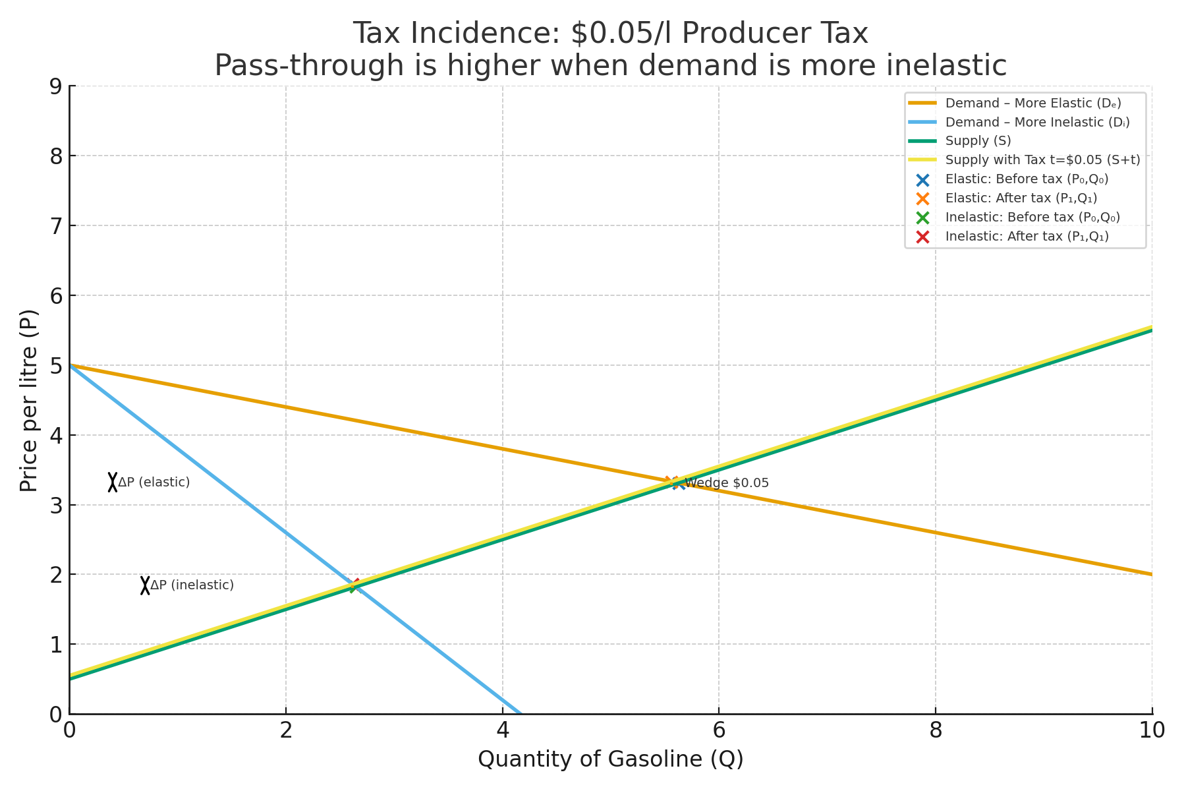
 | Inelastic demand: Consumers still buy → producers raise prices more → price ↑ $0.04

 | 💬 Analogy:
 | If you must buy gas (no alternatives), you’ll bear more of the price increase.

 | ✅ So — the more inelastic the demand, the bigger the price rise.
 | 6e. None of the above → ❌ False

 | Why:
 | Because at least two statements (b and d) are correct.
 | So “none of the above” cannot be true.
 | 6f. More than one of the above → ✅ True

 | Why:
 | Both (b) and (d) are true at the same time.

 | (b): price rise < $0.05 (shared burden).

 | (d): inelastic demand → bigger share of burden on consumers.

 | Example summary:

 | Case | Demand Type | Tax = $0.05 | Price Rise | Producer Absorbs | True?
 | Elastic | Consumers sensitive | $0.05 | $0.02 | $0.03 | ✅ b true
 | Inelastic | Consumers insensitive | $0.05 | $0.04 | $0.01 | ✅ b & d true

 | 💡 Final Summary Table

 | Option | True/False | Reason (in simple words)
 | a | ❌ | Price can’t rise by full tax because buyers & sellers share it.
 | b | ✅ | Price rises by less than tax (shared burden).
 | c | ❌ | Price can’t rise more than the tax itself.
 | d | ✅ | More inelastic demand → consumers bear more of the tax.
 | e | ❌ | Because (b) & (d) are true.
 | f | ✅ | Multiple statements (b & d) are correct.

 | Would you like me to now show the graph with both cases (elastic vs inelastic demand) — clearly labeling:

 | Supply curve before & after tax,

 | $0.05 wedge,

 | Price change (ΔP) for each case?

Sheet5
Demand is said to be elastic if $\left|ε\right|>1$ (i.e., $ε<−1$).
For example, $ε=−2.$
Quantity response is larger than the change in price.
Demand is said to be inelastic if $\left|ε\right|<1$ (i.e., $−1<ε<0$).
For example, $ε=−0.5.$
Quantity response is smaller than the change in price.
Edge case: demand is said to be unit elastic if $\left|ε\right|=1$.
Equivalently, $ε=−1.$
Quantity response exactly offsets the change in price.
Elasticity
1. The price elasticity of demand for cigarettes is estimated by the government to be -0.3. If the government imposes a tax that increases equilibrium prices by 15%, how would cigarette consumption change (direction and percent)?

Given: Price elasticity of demand (PED) for cigarettes = –0.3
Policy: Tax raises equilibrium price by 15%

1) What does PED = –0.3 mean (in plain English)? Price Elasticity of demand

For a 1% rise in price, quantity demanded falls by 0.3%.

Because |–0.3| < 1, demand is inelastic: people don’t cut back much when price goes up.

2) Compute the change in quantity

Elasticity formula:

Answer: Cigarette consumption falls by ~4.5% (direction = decrease).

My opinion: this small drop despite a big price jump is exactly what “inelastic” looks like—cigarettes are habit-forming, so people adjust only a little.

3) What the graph would show (linking the math to the picture)

Start at initial equilibrium E₀ on the downward-sloping Demand (D) and upward-sloping Supply (S₀).

The tax effectively shifts supply up/left to S₁ (firms need a higher price to supply the same quantity because they must pay the tax).

New equilibrium price to consumers is 15% higher than before; the new quantity is a small step left along the same demand curve (a movement along D).

Because demand is steep (inelastic) in this range, the vertical move (price ↑) is large relative to the horizontal move (quantity ↓)—hence the modest –4.5% quantity change.

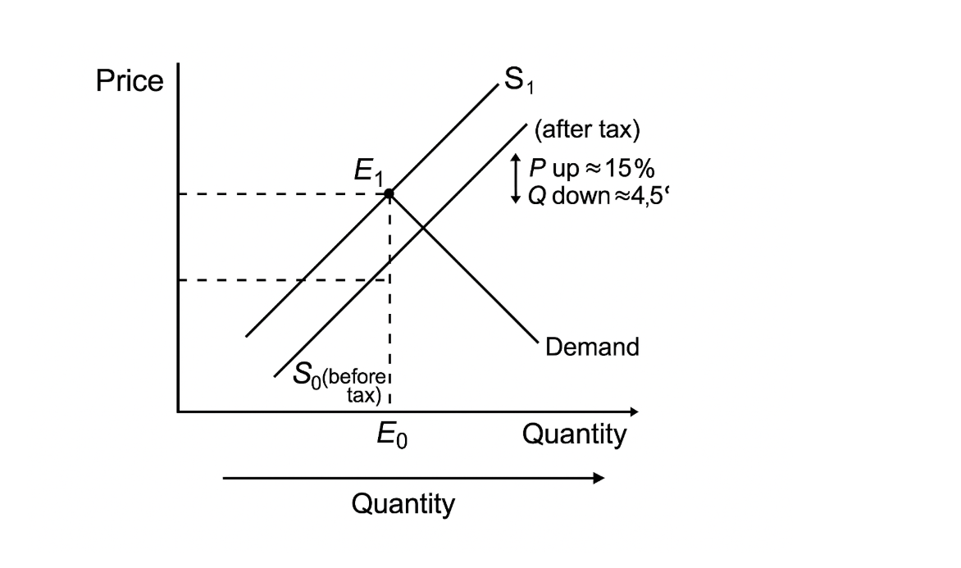

Price

4) Extra intuition: spending & revenue (useful exam insight)

With inelastic demand, Price ↑ more than Quantity ↓ in percent terms.

Approx change in total consumer spending on cigarettes:

%Δ(P×Q)≈+15%+(−4.5%)=+10.5%\%\Delta (P\times Q) \approx +15\% + (-4.5\%) = +10.5\%%Δ(P×Q)≈+15%+(−4.5%)=+10.5%

So total spending rises (having said that, this is a local/approx calculation).

Final one-liner

Cigarette consumption decreases by about 4.5%. Direction: down; Reason: inelastic demand (–0.3) means a 15% price hike trims quantity only a little.

Sheet6
Case 7: Government Cigarette Tax — Linking Math, Logic & Graph
Step 1: The Situation

The price elasticity of demand (PED) for cigarettes is –0.3 (inelastic).
The government imposes a tax, causing prices to rise by 15%.
We want to find how consumption (quantity demanded) changes and what happens to total spending/revenue.

Step 2: The Elasticity Formula

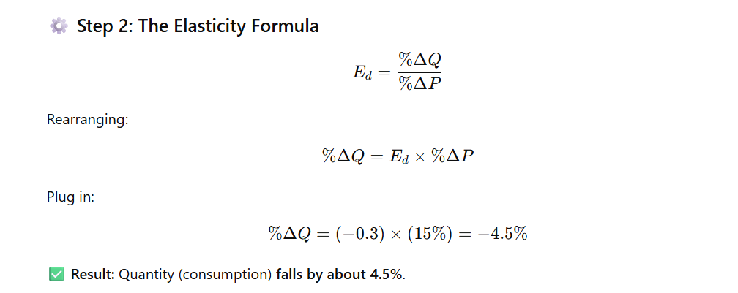

Because the percentage drop in quantity (–4.5%) is smaller than the price rise (+15%), demand is inelastic — people keep buying despite the price jump.

Step 3: Linking the Math to the Graph

Here’s what the graph shows visually:

1. Start at the initial equilibrium (E₀)
— where S₀ (original supply) and D (demand) intersect.
— Price = P₀, Quantity = Q₀.

2. Tax increases cost, shifting supply up/left to S₁ (after tax).
Producers need a higher price to sell the same quantity.

3. New equilibrium (E₁) occurs where S₁ meets the same demand curve (D).
Price to consumers rises ~15%

Quantity drops ~4.5%

📊 Because demand is steep (inelastic), the vertical rise in price is big, while the horizontal leftward shift in quantity is small.

Step 4: Total Revenue / Spending

✅ Result: Total consumer spending on cigarettes increases by ~10.5%.

Having said that, this is an approximation — but the direction is correct because with inelastic demand, higher prices bring higher total revenue.
Step 5: Connect to “Elasticity Rules of Thumb” (from the PPT)

Rule | Explanation | Cigarette Example
1. Luxuries vs. Necessities | Necessities = inelastic | Cigarettes are addictive → smokers keep buying
2. Short-run vs. Long-run | Short-run elasticity is lower | Short run: hard to quit (–0.3). Long run: easier to quit (–1.9)
3. Brand vs. Category | Fewer substitutes = inelastic | “All cigarettes” category = very few substitutes

Step 6: Final Summary

Before Tax | After Tax | Change
Price (P₀) | P₁ = +15% | ↑ Higher
Quantity (Q₀) | Q₁ = –4.5% | ↓ Slightly lower
Total Spending (P×Q) | 10.50% | ↑ Higher
Demand Type | Inelastic ( | –0.3

✅ In plain words:
The tax raises cigarette prices sharply, but consumption falls only slightly because demand is inelastic. As a result, smokers spend more overall, and the government collects more tax revenue.

Sheet7
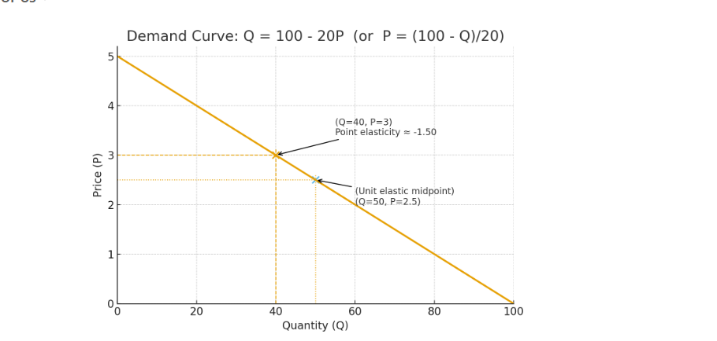
A firm estimates its demand at Q=100-20p.
What is the elasticity of demand if it produces 40 units? (Hint: Use q=40 as the quantity.
To compute change in prices and quantities, you’ll need to choose another q; pick any one!)

 | Problem

 | Demand: Q = 100 − 20P.
 | Find the elasticity of demand when Q = 40.

 | Step 1 — Locate the point (connect to the graph)

 | Solve for P at Q = 40:

 | (40 = 100 - 20P \Rightarrow 20P = 60 \Rightarrow P = 3).

 | So the point is (Q=40, P=3) — it’s marked on the graph with dashed guides. |  |  | So, we use point elasticity:

 | Step 2 — Choose the elasticity formula (what the graph implies)

 | For a small move along the same straight demand line, use point elasticity:

 |  |  |  | This says:

 |  |  |  | When price (P) rises, quantity (Q) falls.

 | Interpretation: (|E|=1.5>1) ⇒ elastic at that point. |  |  | When price falls, quantity rises.
 | In plain English: a 1% rise in price shrinks quantity by ~1.5%. Your customers are pretty price-sensitive here.
 |  |  |  | You can imagine it as a downward-sloping straight line — every extra $1 of price costs you 20 units of demand.
 | Step 3 — Tie it to the “unit-elastic midpoint” (why the picture matters)
 | A straight-line demand curve like

 | Q = 100 − 20P |  |  | 2️⃣ What does ​ mean?

 | means price (P) and quantity (Q) are connected by a straight slope. |  |  | It means “how much does Q change when P changes a little bit.”
 | Now, this line touches both axes — let’s find those touchpoints: |  |  | That’s the slope of the demand curve.

 | When P = 0, Q = 100 → Q-intercept = 100 |  |  | Here, look at the equation:
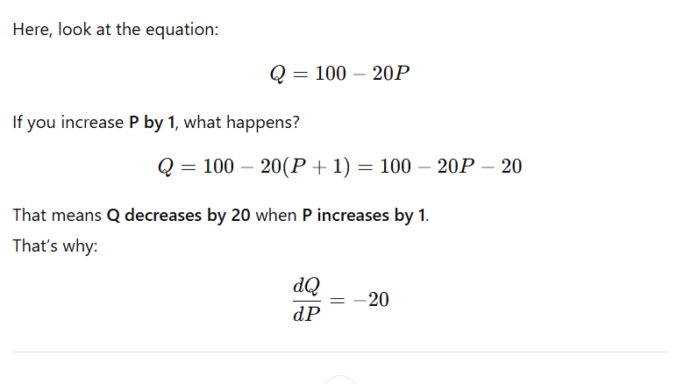
 | When Q = 0, P = 5 → P-intercept = 5
 | That’s the full span of the line — from (Q=0, P=5) down to (Q=100, P=0).
 | Now, the middle of that line (halfway) is:
 | (Q=50,P=2.5)(Q=50, P=2.5)(Q=50,P=2.5)

 | That’s called the midpoint, and it’s special because here elasticity |E| = 1.
 | 👉 This is the “unit elastic” point — where a 1% change in price changes quantity by exactly 1%.
 | Easy Intuition
 | On the left side of the midpoint (like Q=40, P=3), you’re at a high price, low quantity part of the curve.
 | → People are very sensitive to price changes → Elastic region.
 | On the right side (like Q=70, P=1.5), price is already low and most customers already buy — price cuts don’t change demand much → Inelastic region.

 | Having said that, the midpoint divides the demand line into two zones: |  |  | 💡 Think of it like this:

 | Zone | Where | Elasticity Type | Change | P increases by | Q decreases by | Slope (dQ/dP)
 | Left of midpoint | High P, Low Q | Elastic (>1) | Example 1 | 1 | −20 | −20
 | Midpoint | (Q=50, P=2.5) | Unit Elastic (=1) | Example 2 | 0.5 | −10 | −20
 | Right of midpoint | Low P, High Q | Inelastic (<1) | Example 3 | −1 | 20 | −20

🧮 Step 4 — Arc Elasticity (the “average over two points” idea) |  |  |  | The slope is always constant = −20 because the line is straight.
 |  |  |  | That’s what you visually see — the same steepness everywhere on the curve.
Now, instead of just one tiny move (point elasticity), we measure between two points — that’s called arc elasticity.

We’ll compare:
 |  |  |  | 🔹 3️⃣ Why the formula multiplies by (P/Q)
Point 1: (Q₁=40, P₁=3)
 |  |  |  | The second part of the formula, PQ\frac{P}{Q}QP​, adjusts that slope into percent terms.
Point 2: (Q₂=50, P₂=2.5)
 |  |  |  | Remember, elasticity is not about “20 units” or “1 dollar” — it’s about percentage change:

 |  |  |  | How many percent does Q change when P changes by 1 percent?

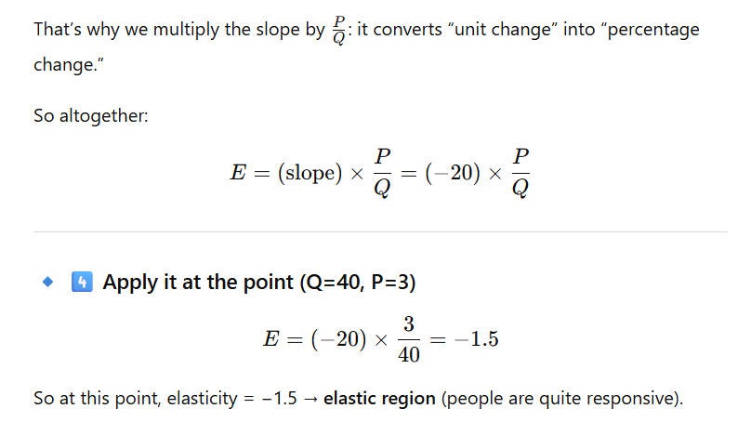

The negative sign just means price and quantity move in opposite directions (as usual).
Ignore the sign; we care about the magnitude → 1.22 > 1, so still elastic.

Having said that, it’s a bit lower than -1.5 because this time we looked at a broader stretch of the curve rather than an exact point.

Final Takeaway

Method | Elasticity Value | Region | Meaning
Point Elasticity (at Q=40) | -1.5 | Elastic | Buyers are sensitive | 🎨 Visual way to think about it
Arc Elasticity (40 → 50) | -1.22 | Elastic | Sensitivity still high but slightly smoother
 |  |  |  | Imagine the line on your graph — every time you move right by +1 on price, you move down by 20 on quantity.
In short: |  |  |  | That steepness (−20) is literally the “rise over run” you learned in basic graphing — just in economics, it’s drop over rise (how much Q drops when P rises).
At Q=40, demand is elastic because it’s on the upper half (steeper, price-sensitive region).
As you move toward the midpoint (Q=50), elasticity drops toward 1 — unit elasticity.

 |  |  |  | Quick recap (in one line):

 |  |  |  | dQdP=−20\frac{dQ}{dP} = -20dPdQ​=−20 because each $1 increase in price causes a 20-unit fall in demand — that’s the constant slope of this straight-line demand curve.

Sheet8
9. For the example in (8), if price falls by a small amount, will revenues rise or fall?

 | Short answer: Revenues rise.

 | Here’s why (beginner-friendly + tied to the graph):

 | (|E|=1.5>1) ⇒ you’re in the elastic region (left of the midpoint on a straight-line demand curve).

 | 🧩 Step 1: The demand relationship

 | We’re given:

 | This equation tells us how quantity demanded (Q) changes when price (P) changes.

 | The number –20 is the slope.

 | It means: if the price goes up by 1, quantity goes down by 20.

 | Or if the price goes down by 1, quantity goes up by 20.

 | So the slope (rate of change) is:

 | This negative slope captures the Law of Demand — price and quantity move in opposite directions.

 | 🧩 Step 2: The starting point

 | 40=100−20P⇒P=340 = 100 - 20P P = 340=100−20P⇒P=3 | At Q=40Q = 40Q=40, we can find:

 | So we start at the point (P = 3, Q = 40) on the demand curve.
 | 🧩 Step 3: Apply a small price change

 | Now, imagine the firm slightly lowers its price by 0.10.

 | That means:

 | (The minus sign just means “price fell.”)

 | 🧩 Step 4: Estimate how quantity responds

 | We use the slope to estimate the quantity change:

 | The first negative (–20) means demand slopes downward.

 | The second negative (–0.10) means price dropped.

 | Negative × Negative = Positive, so:

 | That means quantity increases by 2 units when price falls by $0.10.
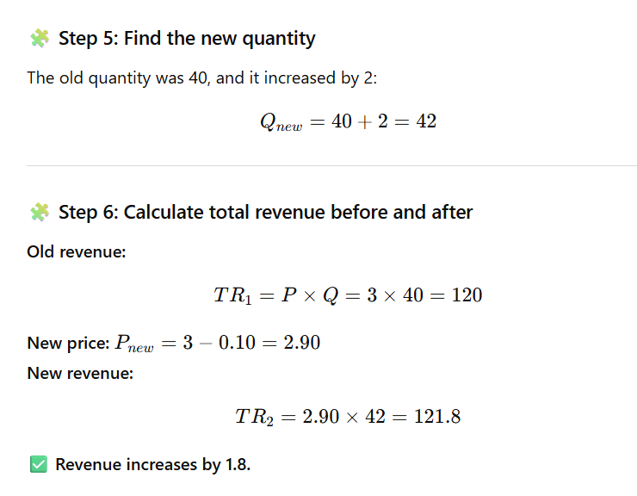

 | 🧩 Step 7: What the graph shows
 | On the demand graph:
 | You move slightly down along the curve (price ↓, quantity ↑).
 | The loss in price per unit is small (the short “price drop rectangle”).
 | The gain in extra quantity sold is larger (the wider “extra sales rectangle”).
 | Since the gain area > loss area, total revenue rises.
 | 🧭 Step 8: What this means

 | At Q=40, elasticity = –1.5 (elastic demand).
 | In the elastic zone, a price drop makes revenue rise because quantity grows more than proportionally.
 | 💬 Final takeaway (plain English)

 | A small fall in price (–$0.10) makes more people buy (+2 units).
 | The total money you earn (P × Q) increases slightly — from 120 to 121.8.
 | So, demand here is elastic, and lowering price a bit raises revenue.

Sheet9
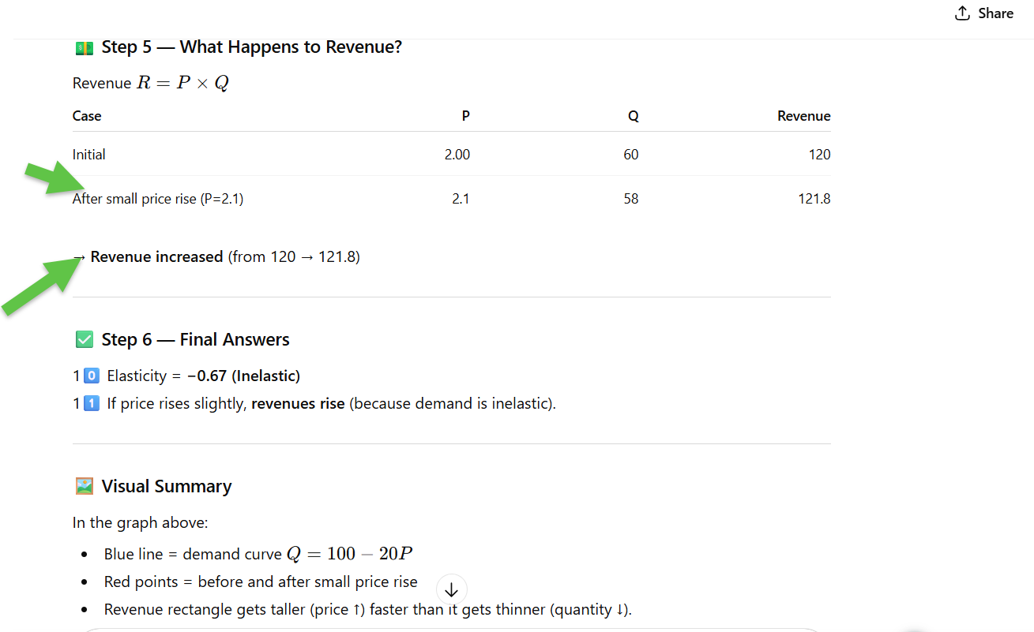
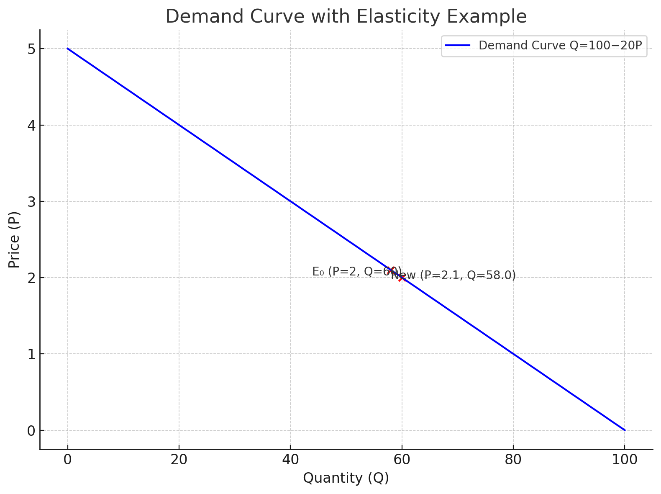
10. A firm estimates its demand at Q=100-20p. What is the elasticity of demand if it sets p=2? (Hint: Use p=2 as the price. To compute change in prices and quantities, you’ll need to choose another p; pick any one!)
11 For the example in (10), if price rises by a small amount, will revenues rise or fall?
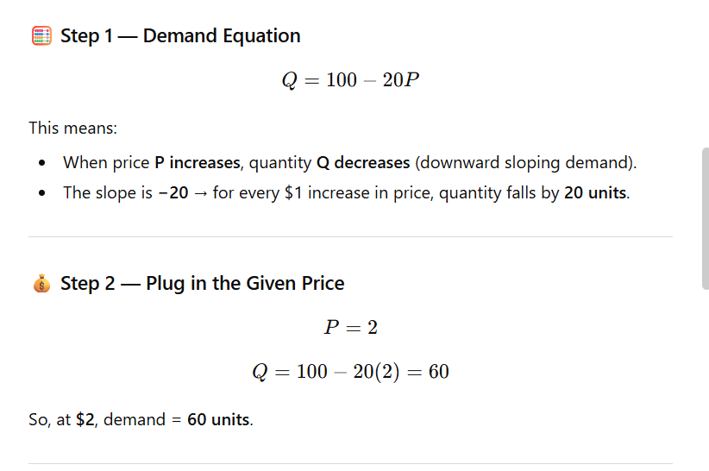

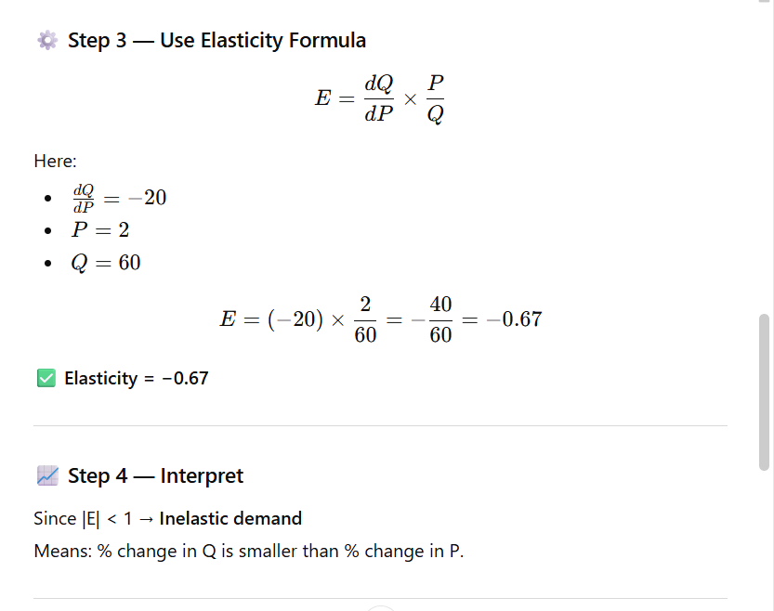

 | P | Q | Revenue
 | 2 | 60 | 120
 | 2.1 | 58 | 121.8

Sheet10
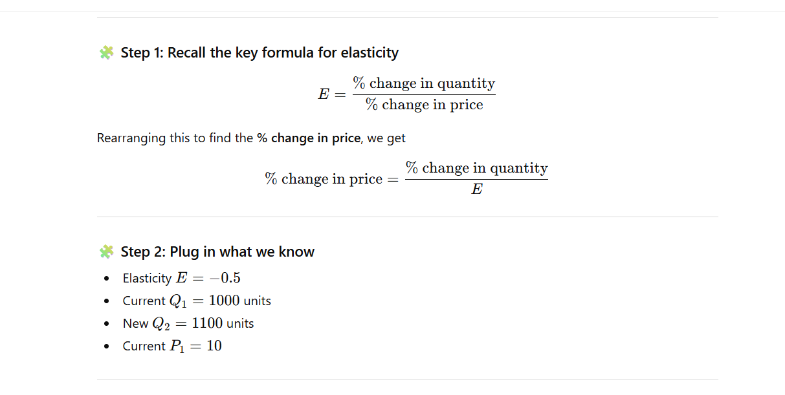
1. A firm estimates its demand has an elasticity of -0.5. It is currently producing 1000 units at a price of 10. About what price will it need to charge to sell 1100 units?

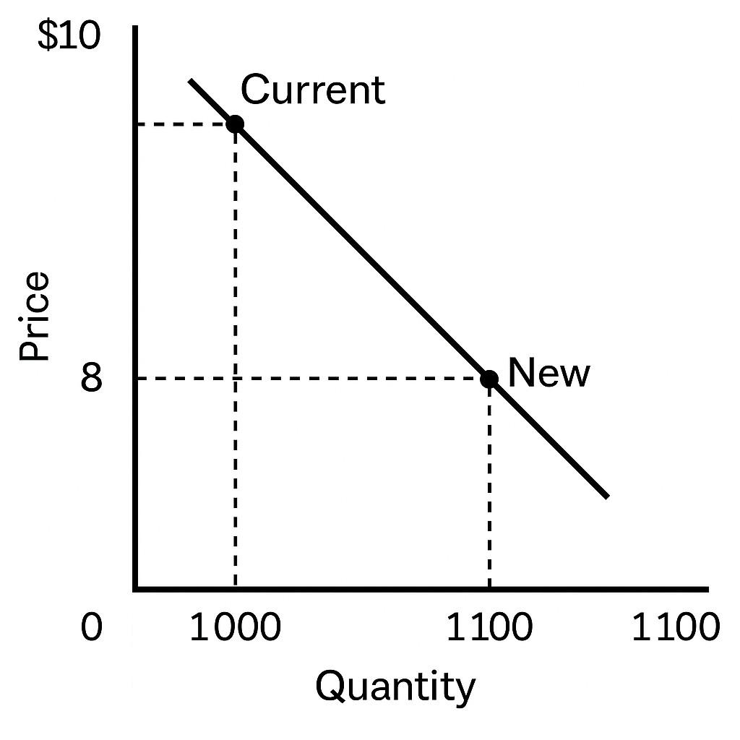

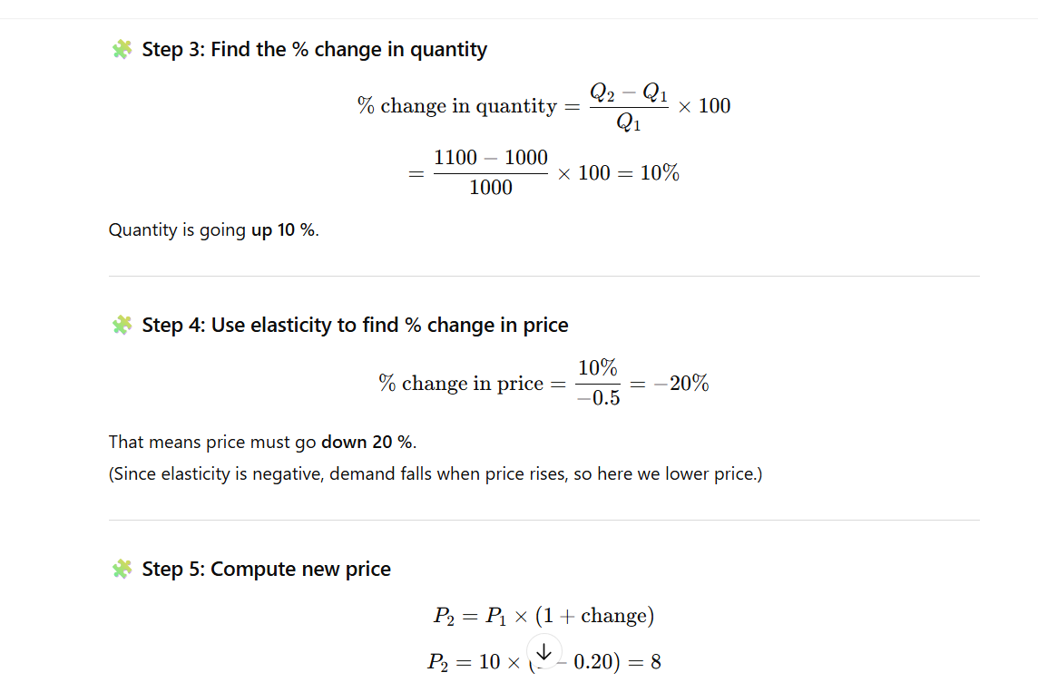

 |  | The graph is just a visual summary of the result we already computed.
 |  | It shows:
 |  | Old point: P1=10,Q1=1000P_1 = 10, Q_1 = 1000P1​=10,Q1​=1000

 |  | New point: P2=8,Q2=1100P_2 = 8, Q_2 = 1100P2​=8,Q2​=1100

 |  | The calculation part (the 20% price drop) came from the elasticity math:

 |  | %change in price=10%−0.5=−20%⇒P2=10×(1−0.2)=8\%\text{change in price} = \frac{10\%}{-0.5} = -20\% \Rightarrow P_2 = 10 \times (1 - 0.2) = 8%change in price=−0.510%​=−20%⇒P2​=10×(1−0.2)=8

 |  | So — the graph shows the outcome, not the derivation.

 | ✅ Final Answer:

 | To sell 1100 units, the firm needs to charge about $8 per unit.
 | 🌟 Quick analogy

 | Think of demand like a “stretchy band.”
 | Elasticity = −0.5 means it’s not very stretchy — to get a 10 % bump in quantity, you must pull hard (a 20 % price cut).

Assignment 1_MR MC
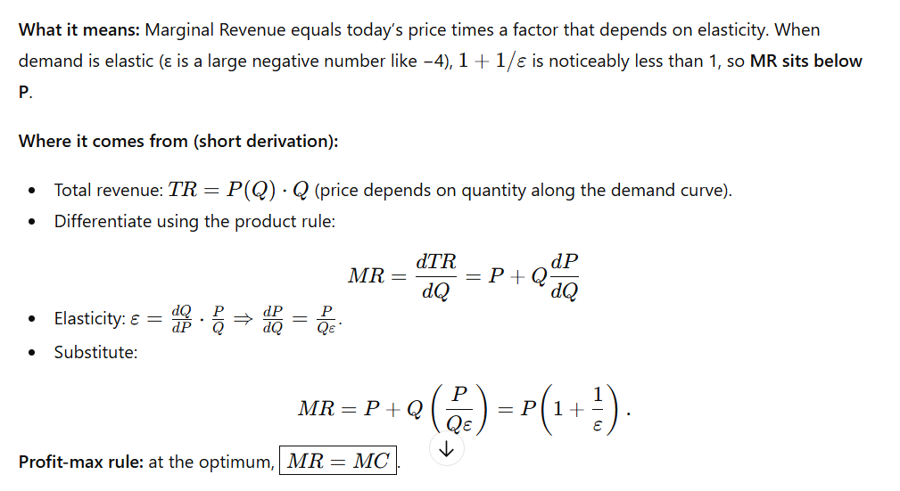
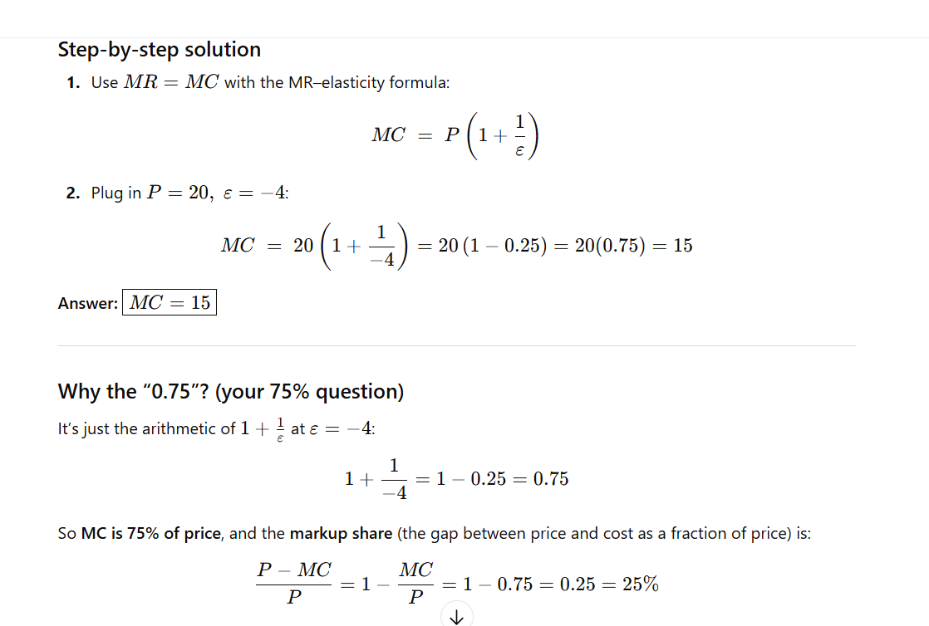
•Suppose a firm is selling at one price, 20, to an entire market, as in our examples in class 4. That price maximizes profits. It has estimated its demand to have elasticity -4 at the current point. What is the firm’s MC?

1) MR and MC (single price, elasticity given)

The question

A firm sells at one price, P = 20, and that price maximizes profit. Demand elasticity at that point is ε = −4.
Find the firm’s marginal cost (MC).
The formula (stated, defined, and derived)

Key relationship

Assignment 2_XANOFI
•Biotech startup BioGar has developed a new drug (Xamoff) that reduces exam-related anxiety.
•Demand in market 1 (US): P1 = 5 – Q1
•Demand in market 2 (EU): P2 = 3– 0.5Q2
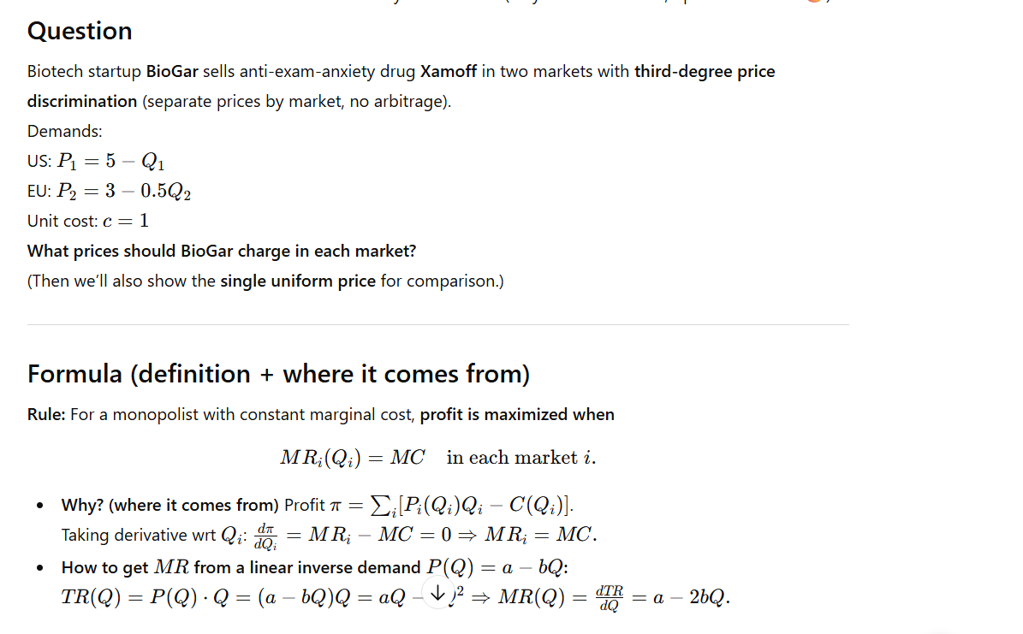
•Unit cost: c = 1

dqdp
